Sheet1
Question No. | Subject | Topic | Difficulty | Question Text |  | Video Embed Link
Question 1 | Physics | Kinematics | Easy | A 100 g mass is released from rest above a tabletop. The mass reaches the tabletop with a velocity of 5.0 m/s. What is the distance travelled by the 100 g mass? (Assume that air resistance is negligible.) |  | https://drive.google.com/file/d/1U7MsoU5i5FaXCw4jzn1tZZraIqkrQQYc/view?usp=sharing
 |  |  |  | A. | 1.3 m
 |  |  |  | B. | 2.5 m
 |  |  |  | C. | 10 m
 |  |  |  | D. | 50 m
Question 2 | Physics | Kinematics | Easy | A cannon with a mass of 3000 kg (when unloaded) is loaded with a 25 kg cannon ball. Both the cannon and the cannon ball are at rest initially. Immediately after the cannon is fired, the cannon ball accelerates to a speed of 200 m/s in 0.2 s. Ignoring contact friction with the ground, calculate the acceleration of the cannon immediately after the cannon is fired. |  | https://drive.google.com/file/d/1JRQqVRcYnd6BYHJsZMBXvq1-5M5xWrn3/view?usp=sharing | 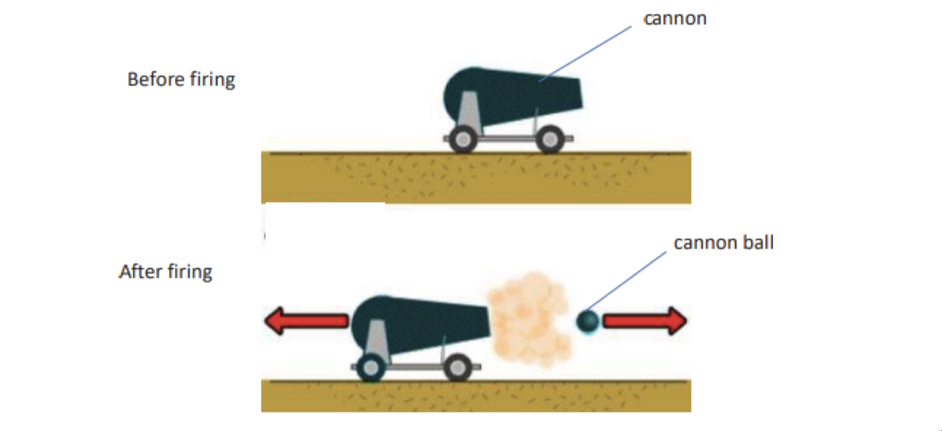
 |  |  |  | A. | 800 m/s^2
 |  |  |  | B. | 520 m/s^2
 |  |  |  | C. | 1300 m/s^2
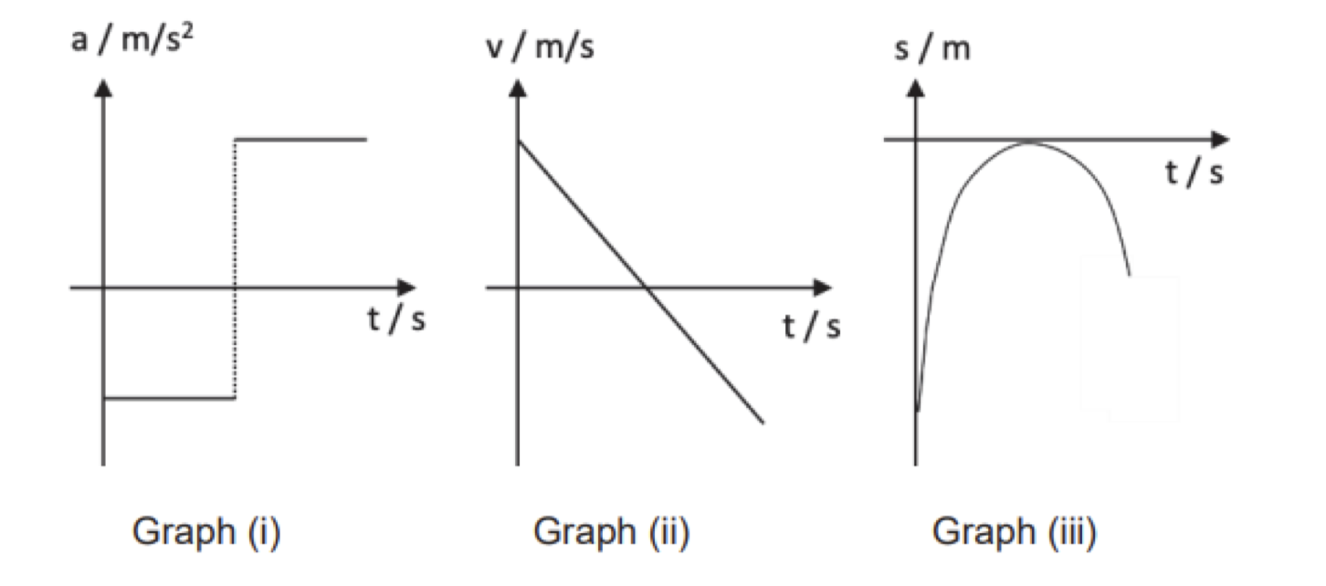
 |  |  |  | D. | 1000m/s^2
Question 6 | Physics | Kinematics | Hard | A stone is thrown vertically upwards on the moon. Which of the following graphs show(s) the correct motion of the stone? (Assume that air resistance is negligible.) |  | https://drive.google.com/file/d/1fns7oljkdA-k0otJJW2V8DluSnjz7yzg/view?usp=sharing
 |  |  |  | A. | Graph (ii) only
 |  |  |  | B. | Graph (i) and Graph (ii) only
 |  |  |  | C. | Graph (ii) and Graph (iii) only
 |  |  |  | D. | Graph (i), Graph (ii) and Graph (iii)
Question 7 | Physics | Kinematics | Hard | An MRT train travels from Toa Payoh station to Bishan station. It accelerates uniformly from rest to reach 20 m/s in 2.0 min. It then travels at 20 m/s for 4.0 min before coming to a stop with a uniform deceleration for 2.0 min. What is the average speed of the MRT train as it travels from Toa Payoh station to Bishan station? |  | https://drive.google.com/file/d/1w6rIxKX8kwSjcqB0q0uPgsRojHg-HZkL/view?usp=sharing
 |  |  |  | A. | 7.2 m/s
 |  |  |  | B. | 9.0 m/s
 |  |  |  | C. | 10 m/s
 |  |  |  | D. | 15 m/s

